Anual Cambiario
 |  |  | 2020-03-06 | 2019-12-31 | 2018-12-31 | 2017-12-31 | 2016-12-31 | 2015-12-31 | 2014-12-31 | 2013-12-31 | 2011-12-31 | 2020-03-06 | 2019-12-31 | 2018-12-31 | 2017-12-31 | 2016-12-31 | 2015-12-31 | 2014-12-31 | 2013-12-31 | 2012-12-31 | 2011-12-31
Dolar Ptax Venda | DOLOF | Brazil | -13.24% | -3.87% | -14.63% | -1.48% | 19.81% | -31.98% | -11.81% | -3.85% | 12.58%
Forex USDCNY | USDCNY | China | 0.71% | -1.57% | -4.93% | 6.24% | -6.50% | -4.43% | -2.45% | 1.23% | -4.52%
Forex USDINR | USDINR | India | -3.17% | -2.52% | -8.01% | 6.32% | -2.57% | -4.79% | -1.94% | -3.62% | 18.60%
Dolar TCRM | Dolar TCRM | Colombia | -6.48% | -0.58% | -8.89% | 0.56% | 4.96% | -24.04% | -19.64% | -1.13% | -2.37%
Dolar Oficial Venta | DLBDIA | Argentina | -2.66% | -38.36% | -51.20% | -14.67% | -17.07% | -36.09% | -23.80% | -17.92% | 7.73%
Forex USDRUB | USDRUB | Russia | -7.15% | 11.96% | -16.99% | 6.44% | 19.14% | -20.48% | -43.33% | 0.49% | 5.67%
Forex USDKRW | USDKRW | South Korea | -2.49% | -3.53% | -4.14% | 12.90% | -2.59% | -6.98% | -3.97% | 9.10% | 3.56%
Tipo Cambio Mx Fix | DOLVEN | Mexico | -6.44% | 4.17% | 0.06% | 4.86% | -16.35% | -14.54% | -11.24% | 2.42% | 12.94%
Dolar Observado | DLOB | Chile | -9.55% | -6.57% | -11.57% | 8.46% | 6.00% | -14.13% | -13.77% | -4.41% | 11.34%
Dolar M.L.(Compra) | DOML | Peru | -3.75% | 1.75% | -3.89% | 3.52% | 1.67% | -12.53% | -6.41% | -1.79% | #VALUE!
Forex USDTRY | USDTRY | Turquia | -2.44% | -11.48% | -27.87% | -7.05% | -17.29% | -19.99% | -8.08% | -9.74% | #VALUE!
Forex USDZAR | USDZAR | South Africa | -8.92% | 2.58% | -14.52% | 11.53% | 12.65% | -25.24% | -9.28% | -2.70% | #VALUE!

 |  |  | 2020-03-06 | 2019-12-31 | 2018-12-31 | 2017-12-31 | 2016-12-31 | 2015-12-31 | 2014-12-31 | 2013-12-31 | 2011-12-31
 | 1 |  | 0.71% | 11.96% | 0.06% | 12.90% | 19.81% | -4.43% | -1.94% | 9.10% | #VALUE!
 |  |  | China | Russia | Mexico | South Korea | Brazil | China | India | South Korea | #VALUE!
 | 2 |  | -2.44% | 4.17% | -3.89% | 11.53% | 19.14% | -4.79% | -2.45% | 2.42% | #VALUE!
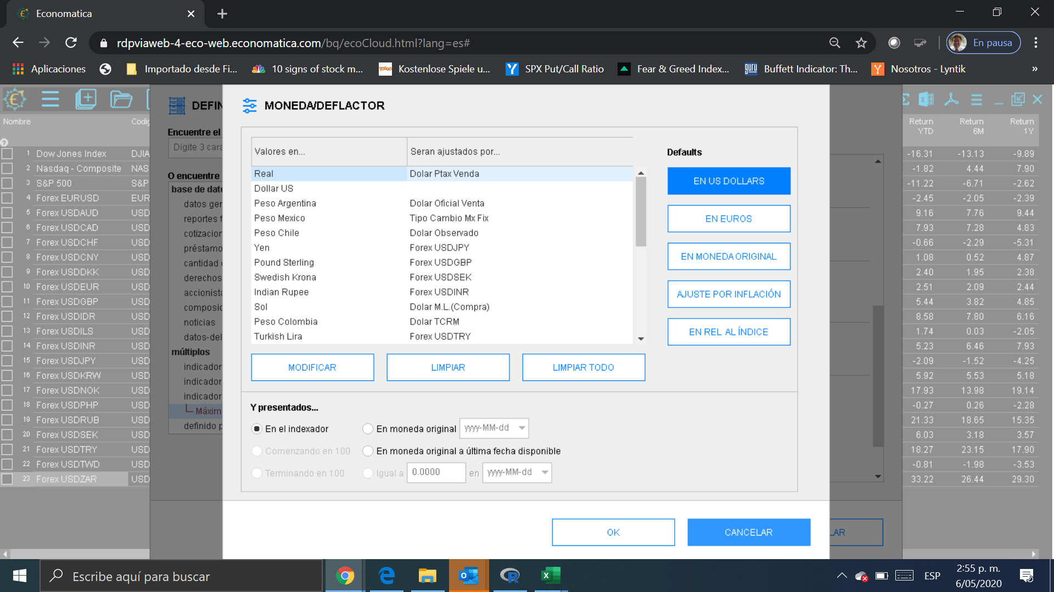
 |  |  | Turquia | Mexico | Peru | South Africa | Russia | India | China | Mexico | #VALUE!
 | 3 |  | -2.49% | 2.58% | -4.14% | 8.46% | 12.65% | -6.98% | -3.97% | 1.23% | #VALUE!
 |  |  | South Korea | South Africa | South Korea | Chile | South Africa | South Korea | South Korea | China | #VALUE!
 | 4 |  | -2.66% | 1.75% | -4.93% | 6.44% | 6.00% | -12.53% | -6.41% | 0.49% | #VALUE!
 |  |  | Argentina | Peru | China | Russia | Chile | Peru | Peru | Russia | #VALUE!
 | 5 |  | -3.17% | -0.58% | -8.01% | 6.32% | 4.96% | -14.13% | -8.08% | -1.13% | #VALUE!
 |  |  | India | Colombia | India | India | Colombia | Chile | Turquia | Colombia | #VALUE!
 | 6 |  | -3.75% | -1.57% | -8.89% | 6.24% | 1.67% | -14.54% | -9.28% | -1.79% | #VALUE!
 |  |  | Peru | China | Colombia | China | Peru | Mexico | South Africa | Peru | #VALUE!
 | 7 |  | -6.44% | -2.52% | -11.57% | 4.86% | -2.57% | -19.99% | -11.24% | -2.70% | #VALUE!
 |  |  | Mexico | India | Chile | Mexico | India | Turquia | Mexico | South Africa | #VALUE!
 | 8 |  | -6.48% | -3.53% | -14.52% | 3.52% | -2.59% | -20.48% | -11.81% | -3.62% | #VALUE!
 |  |  | Colombia | South Korea | South Africa | Peru | South Korea | Russia | Brazil | India | #VALUE!
 | 9 |  | -7.15% | -3.87% | -14.63% | 0.56% | -6.50% | -24.04% | -13.77% | -3.85% | #VALUE!
 |  |  | Russia | Brazil | Brazil | Colombia | China | Colombia | Chile | Brazil | #VALUE!
 | 10 |  | -8.92% | -6.57% | -16.99% | -1.48% | -16.35% | -25.24% | -19.64% | -4.41% | #VALUE!
 |  |  | South Africa | Chile | Russia | Brazil | Mexico | South Africa | Colombia | Chile | #VALUE!
 | 11 |  | -9.55% | -11.48% | -27.87% | -7.05% | -17.07% | -31.98% | -23.80% | -9.74% | #VALUE!
 |  |  | Chile | Turquia | Turquia | Turquia | Argentina | Brazil | Argentina | Turquia | #VALUE!
 | 12 |  | -13.24% | -38.36% | -51.20% | -14.67% | -17.29% | -36.09% | -43.33% | -17.92% | #VALUE!
 |  |  | Brazil | Argentina | Argentina | Argentina | Turquia | Argentina | Russia | Argentina | #VALUE!

